Muskingum Cunge
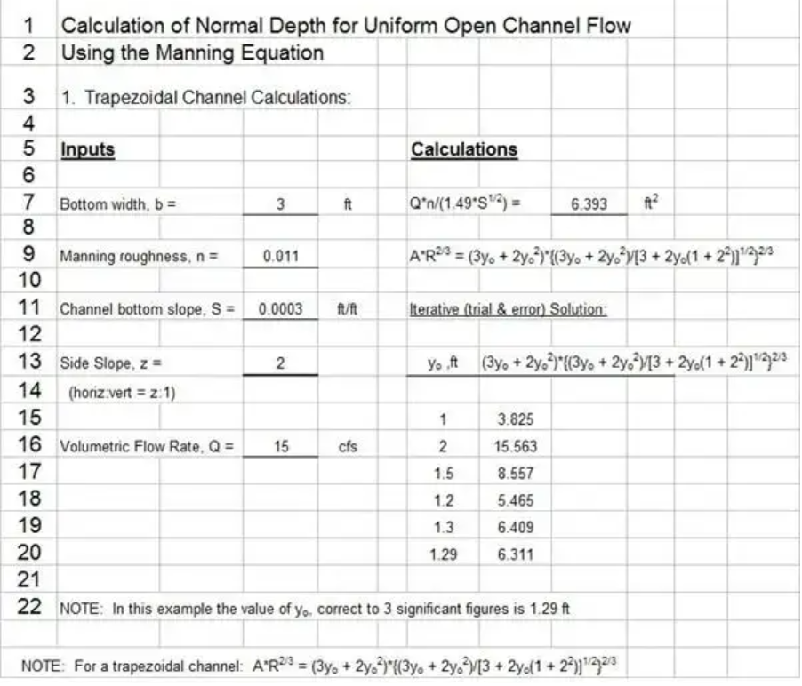
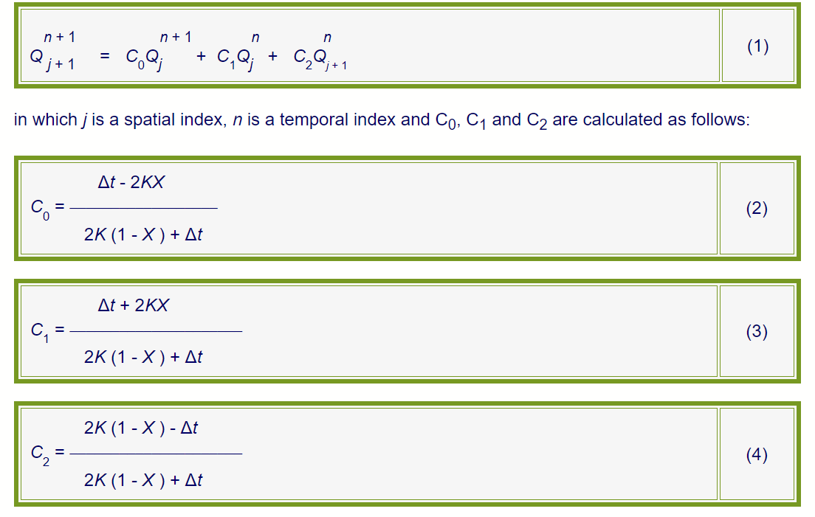
Muskingum-Cunge River Routing Method

Cn | 1.4 |  |  | Reference: Open Channel Hydraulics, Terry W. Sturm, 2001, McGraw-Hill
C0 | 0.333
C1 | 0.539
C2 | 0.128

Numerical solution of linear kinematic wave equation
 |  |  |  |  | x = 0.333L |  |  |  | x = 0.6667L |  |  |  | x = 1.0L
t, hr | I, cfs | C0 x I2 | C1 x I1 | C2 x O1 | O, cfs | C0 x I2 | C1 x I1 | C2 x O1 | O, cfs | C0 x I2 | C1 x I1 | C2 x O1 | O, cfs
0 | 500 | 167 | 0 | 0 | 167 | 56 | 0 | 0 | 56 | 19 | 0 | 0 | 19
0.5 | 1500 | 500 | 270 | 64 | 833 | 278 | 90 | 7 | 375 | 125 | 30 | 2 | 157
1 | 2500 | 833 | 809 | 192 | 1833 | 611 | 449 | 48 | 1108 | 369 | 202 | 20 | 591
1.5 | 3500 | 1167 | 1348 | 319 | 2833 | 944 | 988 | 141 | 2074 | 691 | 597 | 76 | 1364
2 | 4500 | 1500 | 1887 | 447 | 3833 | 1278 | 1527 | 265 | 3070 | 1023 | 1118 | 174 | 2315
2.5 | 4000 | 1333 | 2426 | 575 | 4333 | 1444 | 2066 | 392 | 3903 | 1301 | 1655 | 296 | 3251
3 | 3500 | 1167 | 2156 | 511 | 3833 | 1278 | 2336 | 498 | 4112 | 1371 | 2103 | 415 | 3889
3.5 | 3000 | 1000 | 1887 | 447 | 3333 | 1111 | 2066 | 525 | 3702 | 1234 | 2216 | 497 | 3947
4 | 2500 | 833 | 1617 | 383 | 2833 | 944 | 1797 | 473 | 3214 | 1071 | 1995 | 504 | 3571
4.5 | 2000 | 667 | 1348 | 319 | 2333 | 778 | 1527 | 410 | 2715 | 905 | 1732 | 456 | 3093
5 | 1500 | 500 | 1078 | 255 | 1833 | 611 | 1258 | 347 | 2215 | 738 | 1464 | 395 | 2597
5.5 | 1000 | 333 | 809 | 192 | 1333 | 444 | 988 | 283 | 1715 | 572 | 1194 | 332 | 2097
6 | 500 | 167 | 539 | 128 | 833 | 278 | 719 | 219 | 1215 | 405 | 925 | 268 | 1598
6.5 | 500 | 167 | 270 | 64 | 500 | 167 | 449 | 155 | 771 | 257 | 655 | 204 | 1116
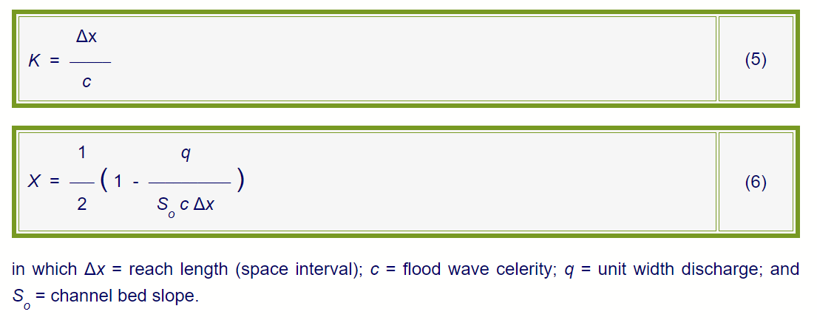
7 | 500 | 167 | 270 | 64 | 500 | 167 | 270 | 98 | 535 | 178 | 416 | 142 | 736
7.5 | 500 | 167 | 270 | 64 | 500 | 167 | 270 | 68 | 504 | 168 | 288 | 94 | 550
8 | 500 | 167 | 270 | 64 | 500 | 167 | 270 | 64 | 501 | 167 | 272 | 70 | 509

 |  | 0 | -166.6665 |  |  |  |  |  |  |  |  |  |  | 500 | 500
 |  | 16.7 | -816.633 |  |  |  |  |  |  |  |  |  |  | 833 | 611
 |  | 130.6111 | -1702.7219 |  |  |  |  |  |  |  |  |  |  | 1748 | 1110
 |  | 228.2879 | -2605.0451 |  |  |  |  |  |  |  |  |  |  |  | 1997
 |  | 328.6759 | -3504.6571 |  |  |  |  |  |  |  |  |  |  |  | 2976
 |  | 428.6111 | -3904.7224 |  |  |  |  |  |  |  |  |  |  |  | 3806
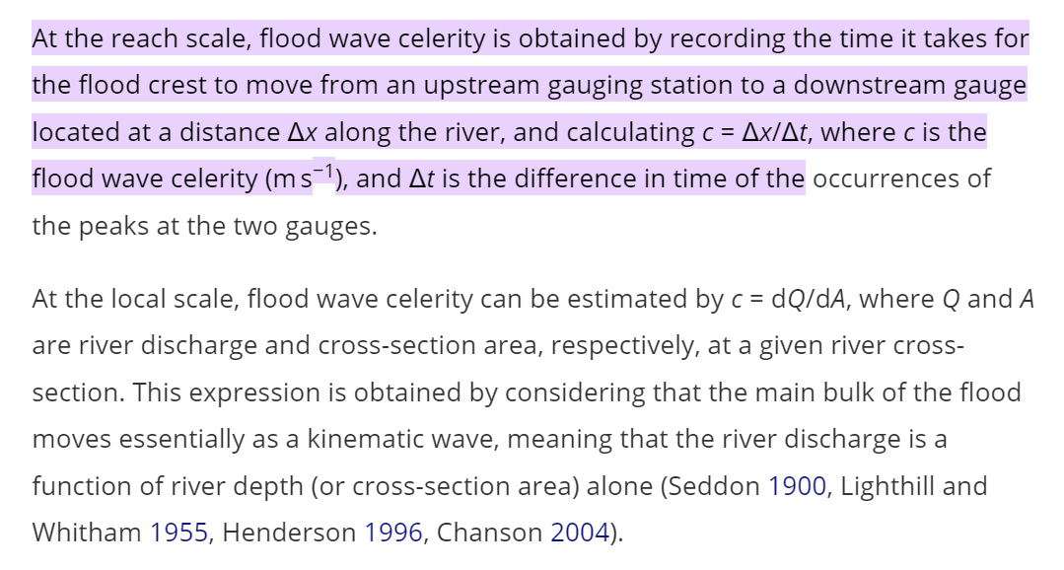
 |  | 528.6219 | -3304.7116 |  |  |  |  |  |  |  |  |  |  |  | 4058
 |  | 595.2202 | -2738.1133 |  |  |  |  |  |  |  |  |  |  |  | 3727
 |  | 467.3982 | -2365.9353 |  |  |  |  |  |  |  |  |  |  |  | 3258
 |  | 372.0445 | -1961.289 |  |  |  |  |  |  |  |  |  |  |  | 2763
 |  | 271.2686 | -1562.0649 |  |  |  |  |  |  |  |  |  |  |  | 2264
 |  | 171.3981 | -1161.9354 |  |  |  |  |  |  |  |  |  |  |  | 1764
 |  | 71.37651 | -761.95699 |  |  |  |  |  |  |  |  |  |  |  | 1264
 |  | 0 | -500 |  |  |  |  |  |  |  |  |  |  |  | 819
 |  |  |  |  |  |  |  |  |  |  |  |  |  |  | 569
 |  |  |  |  |  |  |  |  |  |  |  |  |  |  | 512

 |  |  |  |  |  |  |  |  |  |  |  |  |  |  |  |  |  | 10000
 |  |  |  |  |  |  |  |  |  |  |  |  |  |  |  | 0. select storm diameter - select all catchments in it (or max)
 |  |  |  |  |  |  |  |  |  |  |  |  |  |  |  | JW
 |  |  |  |  |  |  |  |  |  |  |  |  |  |  |  | 1. get flows from current scripts |  | 10 | 5 | 2
 |  |  |  |  |  |  |  |  |  |  |  |  |  |  |  | 2. get full xsec from DTM
 |  |  |  |  |  |  |  |  |  |  |  |  |  |  |  | 3. do mannings calc to get depth
 |  |  |  |  |  |  |  |  |  |  |  |  |  |  |  | 4. chop xsec to this depth
 |  |  |  |  |  |  |  |  |  |  |  |  |  |  |  | 5. use xsec area to calculate C
 |  |  |  |  |  |  |  |  |  |  |  |  |  |  |  |  | 5000

